Analysis
 | INV |  |  |  |  |  |  |  |  |  |  |  |  |  |  |  |  |  | NONINV
 | PURCH |  |  |  |  |  | RE-FI-CO |  |  |  |  |  | RE-FI-NCO |  |  |  |  |  | PURCH |  |  |  |  |  | RE-FI-CO |  |  |  |  |  | RE-FI-NCO
Row Labels | 'bal | 'actual.smm | 'model.smm | 'model w/o refi | 'Ratio | 'Ratio w/o refi | 'bal | 'actual.smm | 'model.smm | 'model w/o refi | 'Ratio | 'Ratio w/o refi | 'bal | 'actual.smm | 'model.smm | 'model w/o refi | 'Ratio | 'Ratio w/o refi | 'bal | 'actual.smm | 'model.smm | 'model w/o refi | 'Ratio | 'Ratio w/o refi | 'bal | 'actual.smm | 'model.smm | 'model w/o refi | 'Ratio | 'Ratio w/o refi | 'bal | 'actual.smm | 'model.smm | 'model w/o refi | 'Ratio | 'Ratio w/o refi
-175 |  |  |  |  |  |  |  |  |  |  |  |  | 3,732,890 | 0.00 | 0.45 | 0.45 | 0.00 | 0.00 | 1,585,574 | 0.00 | 0.55 | 0.55 | 0.00 | 0.00
-150 | 5,542,927 | 0.46 | 0.52 | 0.52 | 0.89 | 0.89 | 4,293,342 | 0.00 | 0.48 | 0.48 | 0.01 | 0.01 | 11,796,095 | 0.00 | 0.47 | 0.47 | 0.00 | 0.00 | 13,640,200 | 3.27 | 0.54 | 0.54 | 6.02 | 6.02 | 1,415,768 | 0.00 | 0.38 | 0.38 | 0.00 | 0.00 | 1275919.1 | 0.10630191471 | 0.48574173212 | 0.48573514243 | 0.21884451691 | 0.21884748584
-125 | 117,493,420 | 0.09 | 0.55 | 0.55 | 0.16 | 0.16 | 83,797,282 | 0.68 | 0.48 | 0.48 | 1.40 | 1.40 | 192,650,274 | 0.39 | 0.48 | 0.48 | 0.80 | 0.80 | 68,210,555 | 0.78 | 0.50 | 0.50 | 1.56 | 1.56 | 21,186,605 | 0.02 | 0.44 | 0.44 | 0.03 | 0.03 | 40965351.3 | 0.022942569105 | 0.40131842815 | 0.40130981491 | 0.057167993035 | 0.057169220021
-100 | 1,269,179,907 | 0.60 | 0.59 | 0.59 | 1.02 | 1.02 | 724,575,729 | 0.56 | 0.51 | 0.51 | 1.08 | 1.08 | 2,065,315,144 | 0.57 | 0.51 | 0.51 | 1.10 | 1.10 | 538,796,300 | 0.29 | 0.48 | 0.48 | 0.61 | 0.61 | 470,242,753 | 0.42 | 0.43 | 0.43 | 0.98 | 0.98 | 1154541457.9 | 0.39363207799 | 0.41229720021 | 0.41228892063 | 0.954728962 | 0.95474813487
-75 | 5,754,777,261 | 0.72 | 0.65 | 0.65 | 1.10 | 1.10 | 2,892,419,381 | 0.59 | 0.56 | 0.56 | 1.05 | 1.05 | 8,789,142,516 | 0.62 | 0.56 | 0.56 | 1.10 | 1.10 | 9,715,911,023 | 0.56 | 0.50 | 0.50 | 1.12 | 1.12 | 6,175,875,933 | 0.39 | 0.45 | 0.45 | 0.87 | 0.87 | 18588774395 | 0.42443301749 | 0.43566896127 | 0.43537564084 | 0.97420990527 | 0.97486624807
-50 | 12,238,452,704 | 0.78 | 0.76 | 0.74 | 1.02 | 1.05 | 6,210,124,699 | 0.64 | 0.66 | 0.64 | 0.97 | 1.01 | 18,413,273,614 | 0.65 | 0.66 | 0.63 | 0.99 | 1.03 | 71,189,165,400 | 0.64 | 0.60 | 0.57 | 1.07 | 1.13 | 47,864,400,521 | 0.55 | 0.54 | 0.51 | 1.03 | 1.09 | 1.4246309139E+11 | 0.55536723888 | 0.52414886584 | 0.48939182127 | 1.059560127 | 1.1348110343
-25 | 14,834,246,120 | 0.95 | 0.92 | 0.85 | 1.03 | 1.12 | 8,398,744,936 | 0.67 | 0.81 | 0.72 | 0.83 | 0.93 | 23,218,044,063 | 0.81 | 0.80 | 0.72 | 1.01 | 1.12 | 171,205,312,138 | 0.76 | 0.74 | 0.64 | 1.03 | 1.19 | 118,410,719,111 | 0.66 | 0.67 | 0.58 | 0.98 | 1.14 | 3.3127462462E+11 | 0.64529176543 | 0.65936053546 | 0.5595334974 | 0.97866300866 | 1.1532674423
0 | 14903289835 | 0.92710979919 | 1.0094881776 | 0.88880326711 | 0.91839589582 | 1.0430990001 | 8558932494.3 | 0.95810327799 | 0.89878837125 | 0.76068851068 | 1.065994297 | 1.2595211634 | 23127059566 | 0.94758235864 | 0.89626276794 | 0.7732361591 | 1.0572595365 | 1.2254760043 | 1.7452608221E+11 | 0.84270109649 | 0.8300930495 | 0.67790680306 | 1.0151887153 | 1.243092845 | 1.3989381435E+11 | 0.76780464665 | 0.76270040867 | 0.61109211574 | 1.0066923236 | 1.2564466582 | 3.6031605878E+11 | 0.74060106095 | 0.74844587141 | 0.59810711332 | 0.98951853333 | 1.2382415197

 |  | INV |  |  |  |  |  | INV |  |  |  |  |  | INV |  |  |  |  |  | NONINV |  |  |  |  |  | NONINV |  |  |  |  |  | NONINV
 |  | PURCH | PURCH | PURCH |  |  |  | RE-FI-CO | RE-FI-CO | RE-FI-CO |  |  |  | RE-FI-NCO | RE-FI-NCO | RE-FI-NCO |  |  |  | PURCH | PURCH | PURCH |  |  |  | RE-FI-CO | RE-FI-CO | RE-FI-CO |  |  |  | RE-FI-NCO | RE-FI-NCO | RE-FI-NCO
 |  | actual | model | ratio |  |  |  | actual | model | ratio |  |  |  | actual | model | ratio |  |  |  | actual | model | ratio |  |  |  | actual | model | ratio |  |  |  | actual | model | ratio
-100 |  | 6.96 | 6.84 | 1.02 |  |  |  | 6.48 | 6.00 | 1.08 |  |  |  | 6.59 | 5.99 | 1.10 |  |  |  | 3.44 | 5.60 | 0.62 |  |  |  | 4.95 | 5.06 | 0.98 |  |  |  | 4.62 | 4.84 | 0.96
-75 |  | 8.27 | 7.54 | 1.10 |  |  |  | 6.87 | 6.56 | 1.05 |  |  |  | 7.17 | 6.53 | 1.10 |  |  |  | 6.49 | 5.83 | 1.11 |  |  |  | 4.62 | 5.31 | 0.87 |  |  |  | 4.98 | 5.10 | 0.97
-50 |  | 8.95 | 8.78 | 1.02 |  |  |  | 7.43 | 7.66 | 0.97 |  |  |  | 7.54 | 7.61 | 0.99 |  |  |  | 7.40 | 6.97 | 1.06 |  |  |  | 6.43 | 6.28 | 1.03 |  |  |  | 6.46 | 6.11 | 1.06
-25 |  | 10.79 | 10.48 | 1.03 |  |  |  | 7.78 | 9.25 | 0.84 |  |  |  | 9.30 | 9.19 | 1.01 |  |  |  | 8.79 | 8.53 | 1.03 |  |  |  | 7.61 | 7.78 | 0.98 |  |  |  | 7.47 | 7.63 | 0.98

 |  |  |  | 1.02 |  |  |  |  |  | 0.90 |  |  |  |  |  | 1.00 |  |  |  |  |  | 1.05 |  |  |  |  |  | 1.00

INV
INV
Non-INV
Non-INV

INV
INV
INV

Non-INV
Non-INV
Non-INV

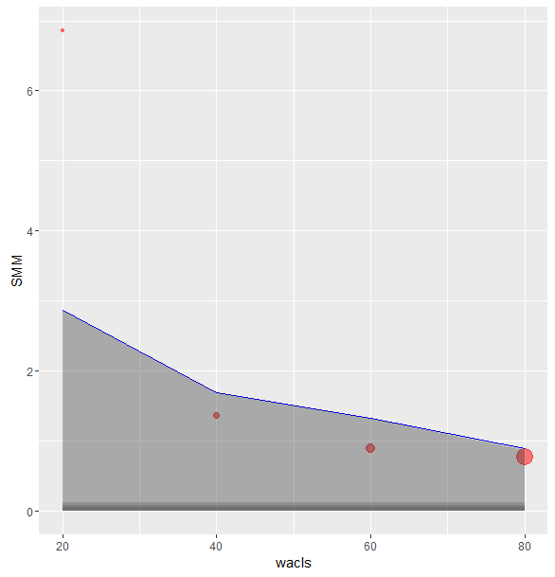
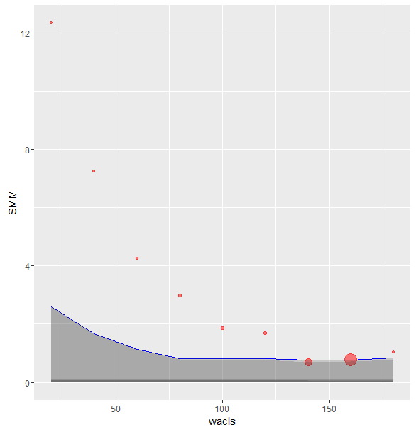
OLS 85K
OLS 175K

